Sheet1
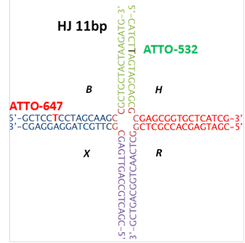
sequence | bases | Strand name

GCTCCTCCTAGCAAGCCGCTGCTACTAAGATG | 32 | B-acceptor
CATCTTAGTAGCAGCGCGAGCGGTGCTCATCG | 32 | H-donor
CGATGAGCACCGCTCGGCTCAACTGGCAGTCG | 32 | R
CGACTGCCAGTTGAGCGCTTGCTAGGAGGAGC | 32 | X
CGATGAGCACCGCTCGGCTTGCTAGGAGGAGC | 32 | HJ 3rd leg

